Sheet1
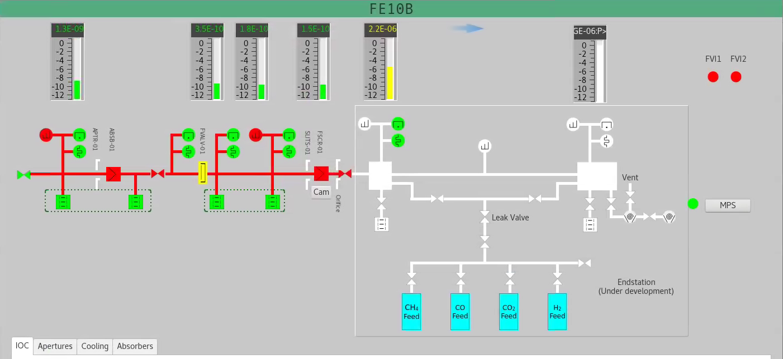

V 1
V 2
V 3
V 15
V 17
V 11
V 16
V 4
V 5
V 6
V 19

V 7
V 12
V 13
V 14
V 18

Wired to crate
Wired to RIO

